Waveforms
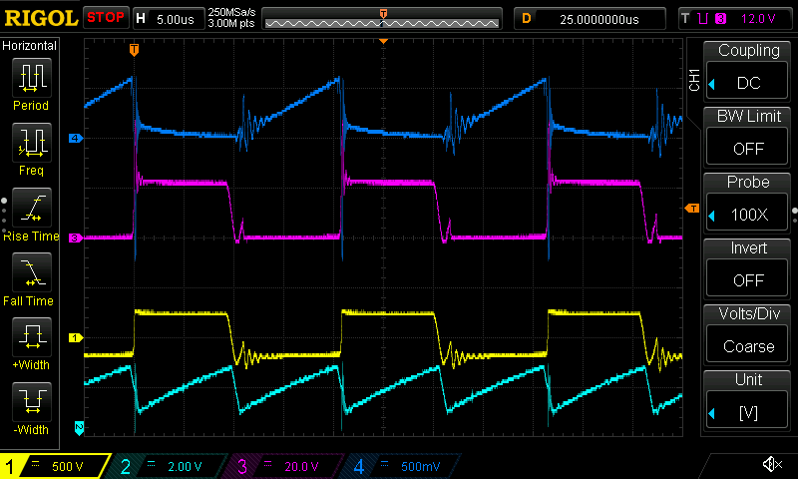
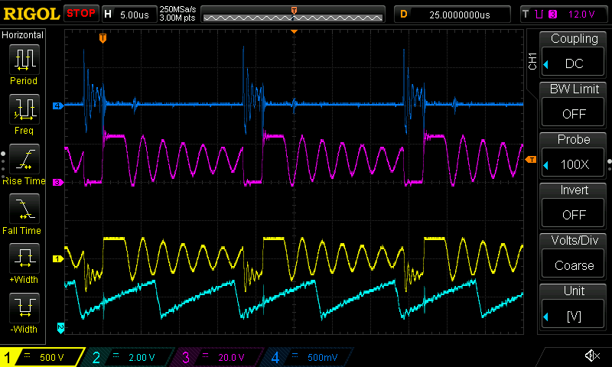
Ch | Node
1 | D4 anode
2 | U1 pin 4
3 | Q1 drain
4 | Q1 source

Load [kΩ] | 11.66 | 0.87
Vin [V] | 12 | 12
Vout [V] | 245 | 230
Iin[A] | 0.55 | 7.11

Transformer
Winding | Primary | Primary | Secondary
Applied current [A] | 1.02 | 2.527 | 1.02
Measured drop [mV] | 7.6 | 18.9 | 475
Calculated resistance [mΩ] | 7.45 | 7.48 | 465.69

Frequency [kHz] | 49.92 | 59.78 | 69.91 | 80.00 | 89.82 | 100.00 | 110.02 | 119.93 | 130.21 | 140.10 | 149.97 | 160.31 | 169.87 | 179.79 | 189.90 | 199.96
Primary [V] | 0.05 | 0.07 | 0.08 | 0.09 | 0.10 | 0.11 | 0.12 | 0.13 | 0.15 | 0.16 | 0.17 | 0.19 | 0.20 | 0.22 | 0.23 | 0.25
Secondary [V] | 1.03 | 1.23 | 1.45 | 1.65 | 1.87 | 2.09 | 2.32 | 2.55 | 2.79 | 3.03 | 3.29 | 3.55 | 3.83 | 4.11 | 4.42 | 4.73
Turns ratio | 18.68 | 18.69 | 18.67 | 18.70 | 18.70 | 18.88 | 18.90 | 18.92 | 18.93 | 18.96 | 18.98 | 18.99 | 19.00 | 19.00 | 19.03 | 19.04

RLC ressonance (R in series):

Rs [mΩ] | C [µF] | F [kHz] | L [µH] | Winding | Lavg [µH] | Lratio | Turns ratio from Lratio
7.47 | 0.085 | 267 | 4.18 | Pri
7.47 | 0.88 | 90 | 3.55 | Pri | 3.75
7.47 | 5 | 37.88 | 3.53 | Pri | 3.54
465.69 | 5 | 1.953 | 1328.09 | Sec
465.69 | 0.085 | 14.28 | 1461.38 | Sec | 1411.31 | 375.87 | 19.39
465.69 | 0.88 | 4.464 | 1444.45 | Sec | 1452.92 | 410.18 | 20.25

